API Extraction
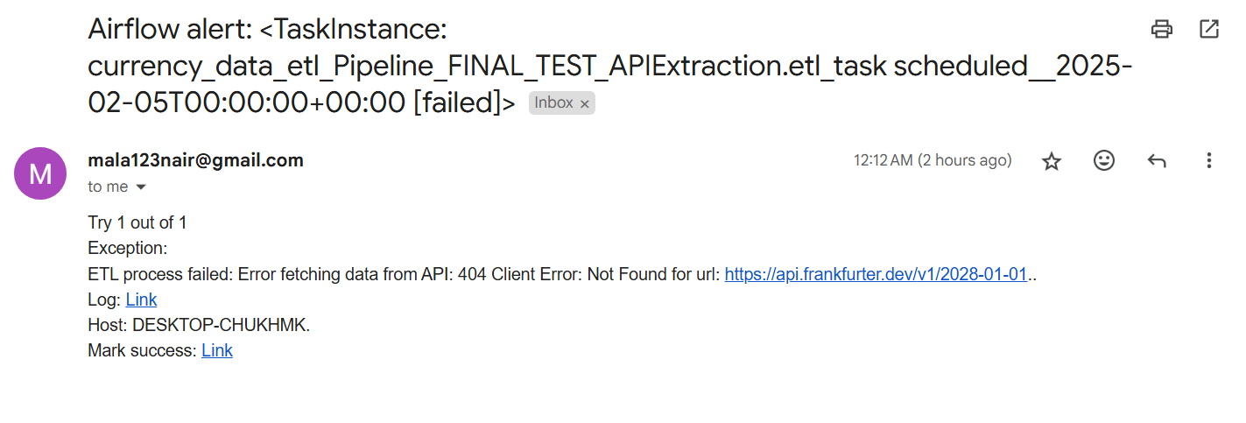
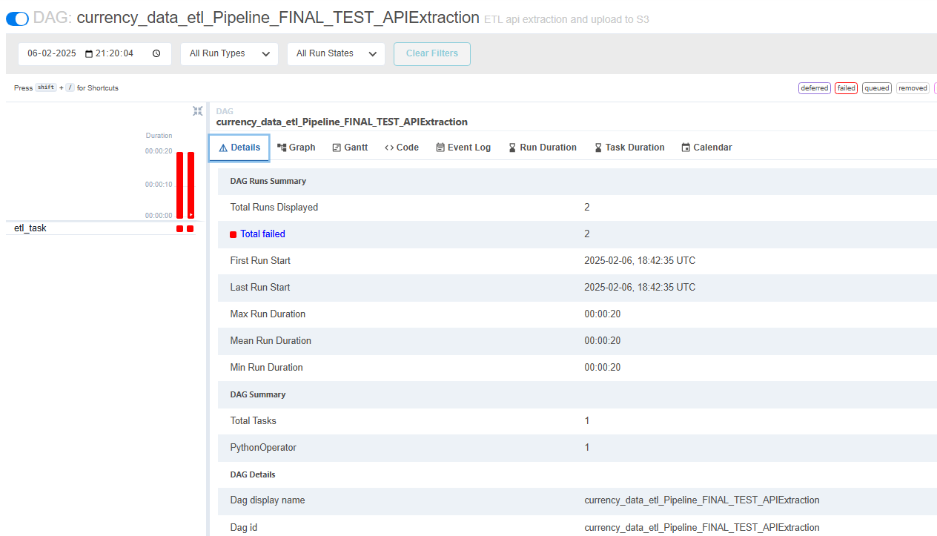
Check | Status | Notes
Ensure API data is being extracted |  | Use APIExtraction_TEST.py to test correct fetching of data
Verify appropriate URL is used to extract appropriate time series information |  | Since 1 year historical time data is required and daily updates, use url which fetches dates up to the present, but ensure start_date is first day of previous year (1 year data till present)
Verify correct year is input in the URL |  | Define variable url_year = datetime.now().year-1, where it dynamically updates the year as the previous year of the current year to input in the URL
Verify API Format |  | Ensure it is in JSON format
Validate headers in response for data transformation |  | Extract API directly onto Excel to review data and see how the headers could look like. Used Power Query Editor.
Validate Error Message email alert |  | Use currency_data_etl_FINAL_TEST_APIExtraction.py

currency_data_etl_FINAL_TEST_APIExtraction.py

Description: |  | Changed URL to fetch data from 2028 (not available) so would trigger an error.

Images:

Email Alert |  |  | Airflow UI

Data Upload to RD
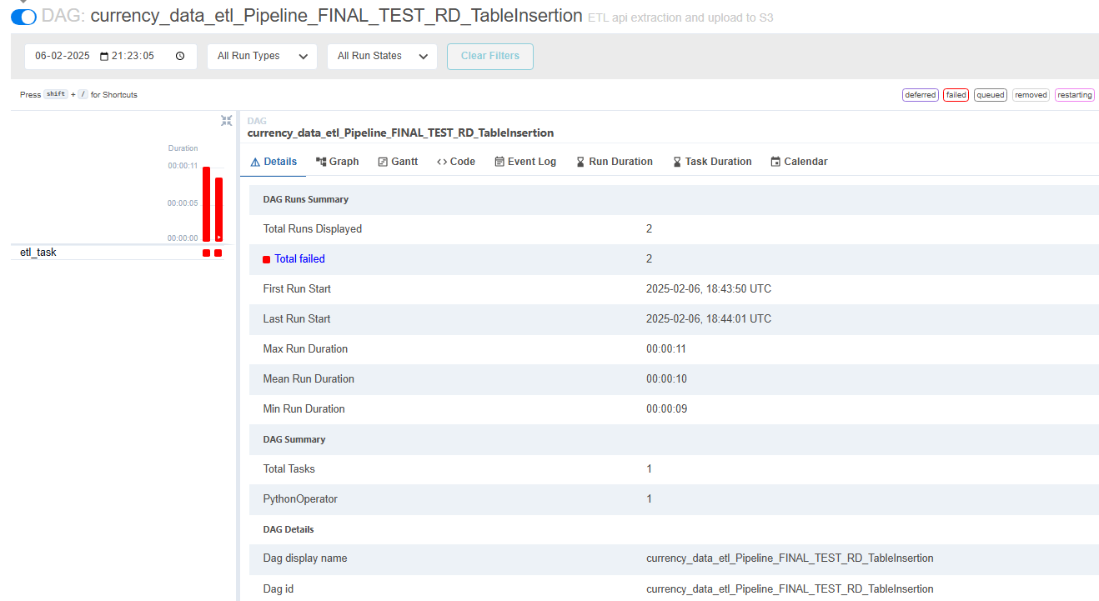
Check | Status | Notes
Validate Database Connection |  | Ensure correct parameters are input, like host, database, username, password, and port
Confirm table column headers |  | Ensure correct definition of column headers in query and make sure it matches the dataframe
Confirm column data types |  | Ensure correct definition of data types of column headers in query and make sure it matches the dataframe
Validate correct number of records updated |  | Compare number of rows in dataframe, direct API extracted Excel, to number of records in Postgres. (select count(*) from currency_data_table)
Validate Error Message for failed DB connection |  | Use currency_data_etl_FINAL_TEST_RD_Connection.py
Validate Error Message email alert for failed table creation |  | Use currency_data_etl_FINAL_TEST_RD_TableCreation.py
Validate Error Message email alert for failed insertion of values in table |  | Use currency_data_etl_FINAL_TEST_RD_TableInsertion.py

currency_data_etl_FINAL_TEST_RD_Connection.py

Description: |  | Altered host to localhost12 (does not exist so cannot make connection to server.

Images:

Email Alert |  |  | Airflow UI

No Email Alert

currency_data_etl_FINAL_TEST_RD_TableCreation.py

Description: |  | Altered query with wrong syntax, instead of CREATE, wrote CREAlTE

Images:

Email Alert |  |  | Airflow UI

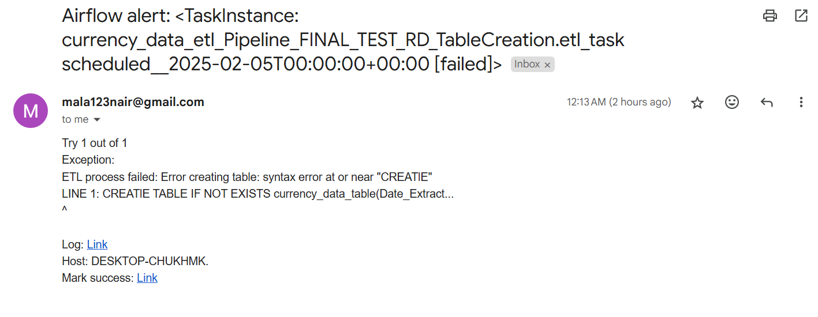

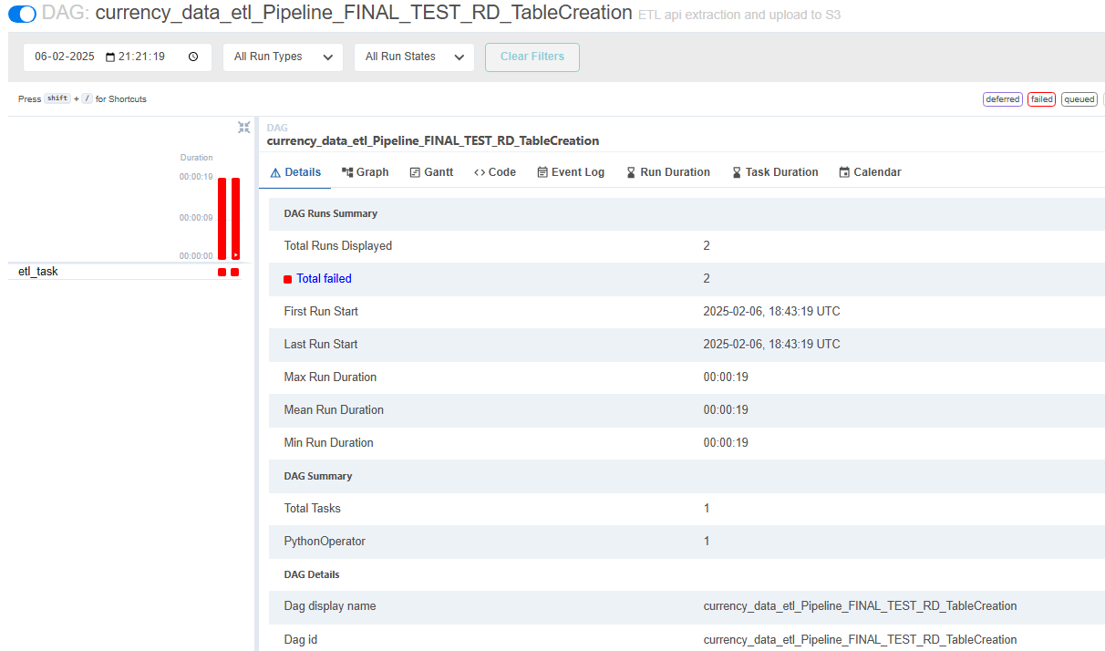

currency_data_etl_FINAL_TEST_RD_TableInsertion.py

Description: |  | Put wrong value (random undefined variable) of dataframe to insert as values into table

Images:

Email Alert |  |  | Airflow UI

Data Upload to S3
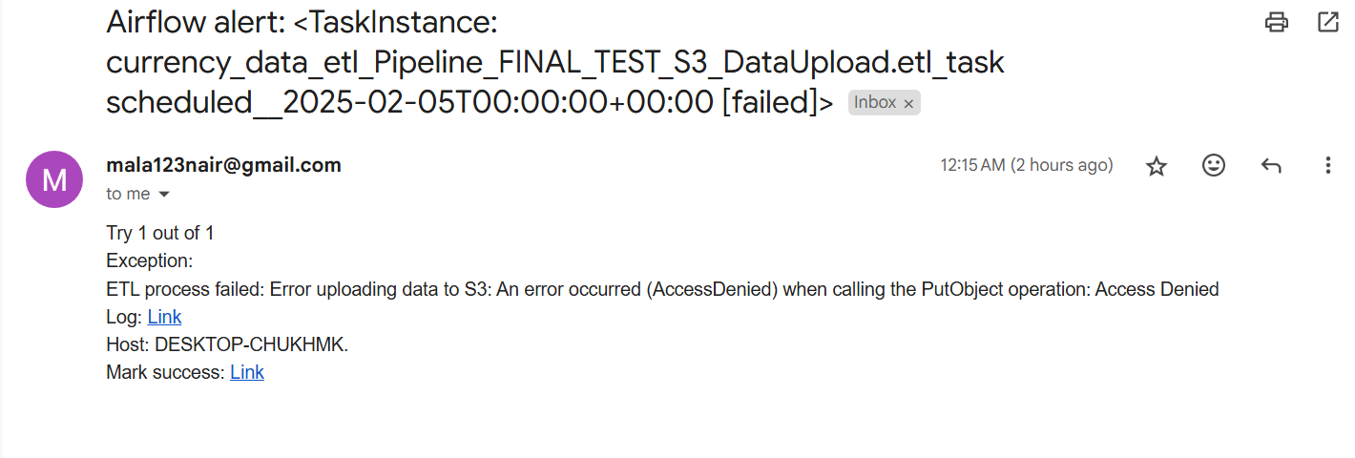
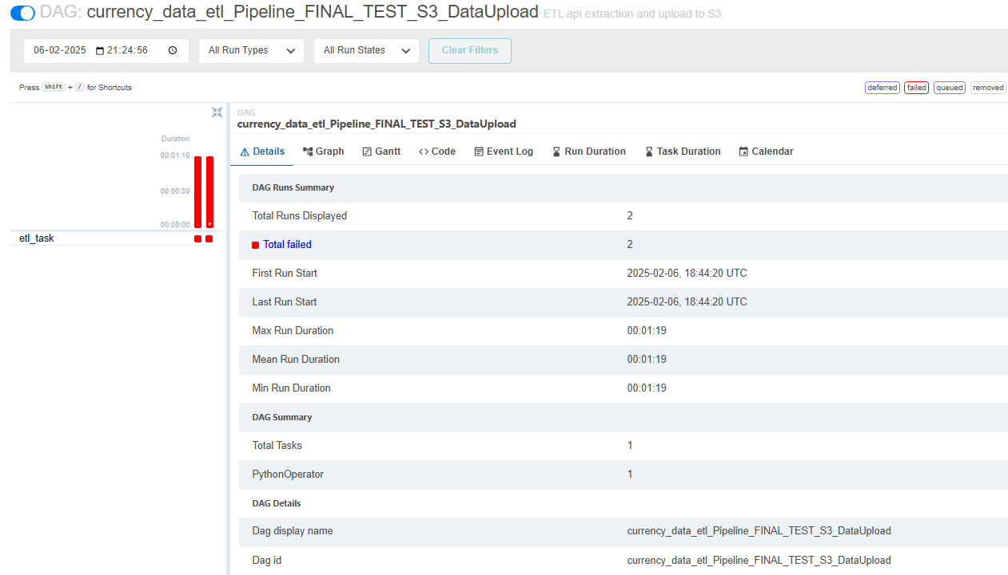
Check | Status | Notes
Validate AWS S3 Connection |  | Ensure correct credentials are defined for access key ID, secret access key, region name
Verify correct bucket exists and is defined |  | Ensure correct bucket is defined in the code
Verify appropriate permissions given |  | Verify IAM user has correct permissions for accessing S3 bucket (put full access)
Verify correct file path |  | Ensure file path where file needs to be uploaded in AWS aligns with the one defined in code
Verify correct file format is defined to be uploaded |  | Ensure file is uploaded in .xlsx format (for visualization in Tableau)
Ensure data is uploaded correctly to correct file path |  | After running of code, ensure file is uploaded in the S3 bucket in the correct location
Verify file is in correct format |  | After running of code, ensure file is uploaded in .xlsx format in S3 bucket
Verify file is matching dataframe |  | Download the file from S3 and ensure correct columns, headers, and number of rows
Validate Error Message for failed S3 upload of data |  | Use currency_data_etl_FINAL_TEST_S3_DataUpload.py

currency_data_etl_FINAL_TEST_S3_DataUpload.py

Description: |  | For bucket_name variable, put a wrong bucket name (one that does not exist)

Images:

Email Alert |  |  | Airflow UI

ETL Airflow DAG
Check | Status | Notes
Ensure proper definition of DAG |  | Ensure start_date is 1 day before scheduled interval, so use pendulum to schedule 1 day before of current date (days ago is deprecated)
Confirm dag_id is unique |  | Ensure there are no duplicate dag_id in the dags folder, otherwise the dags won't be visible in the webserver since they have the same names
Confirm schedule is set to @daily
Confirm email_on_failure is set to True |  | This means an email will be sent whenever there is an error or exception raised
Ensure two-step verification is enabled on senders email |  | This will enable sender to generate app passwords in gmail, this can be used to add in the smtp configuration since sometimes the root password does not work (possibly due to less secure apps using it)
Verify SMTP confirguration in airflow.cfg file |  | Ensure SMTP settings such as the host, port, user, and password is configured correctly, use email_configuration_TEST.py to test connectivity and ensure email can be sent
Simulate task failures to generate email alerts |  | Use all currency_data_etl_FINAL_TEST_*.py files in the dags folder to test out whether email will be sent when it comes across a failure
Ensure error information is sent in email |  | Ensure all currency_data_etl_FINAL_TEST_*.py files in the dags folder sends out the appropriate error message for each with added context
Ensure correct order of tasks in DAG |  | API extraction -> Data Pre-processing -> Data Upload to Postgres table -> Data Upload to S3 bucket -> Email on Success with summary of load of data
Confirm DAG is running as scheduled |  | Let it run and remain active, and ensure at 00:00:00 UTC, it automatically runs the DAG

SUCCESSFUL RUN:

Scheduled:
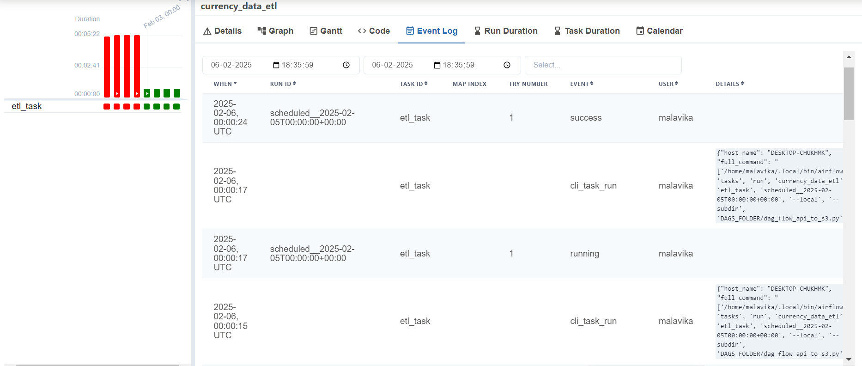
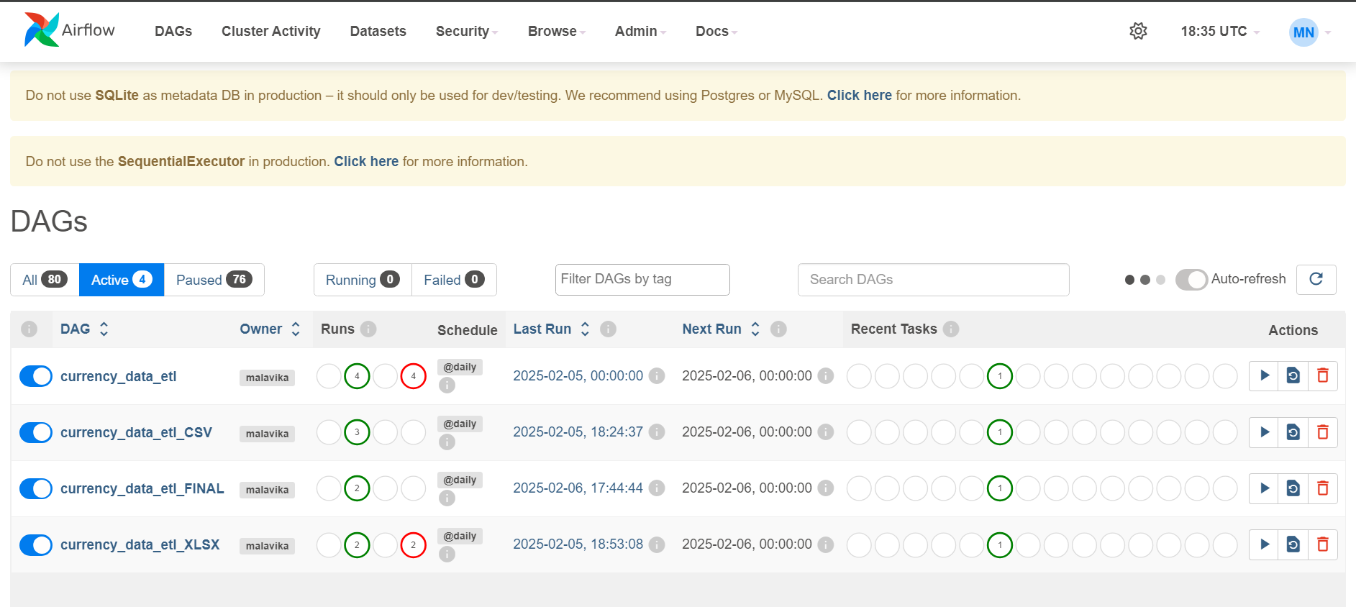

Email:

Manual:

